Curve 1.1
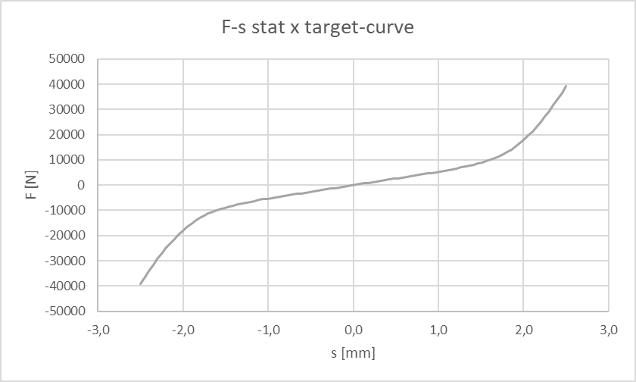

Curves 2.1-2.12
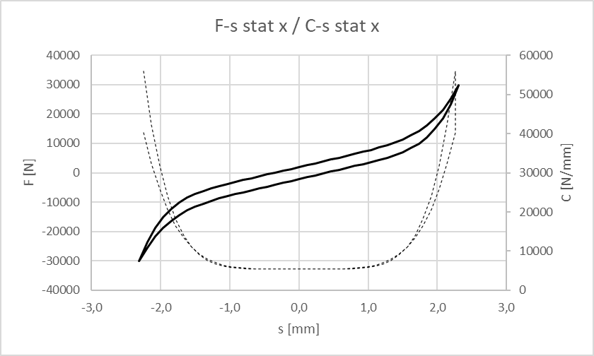
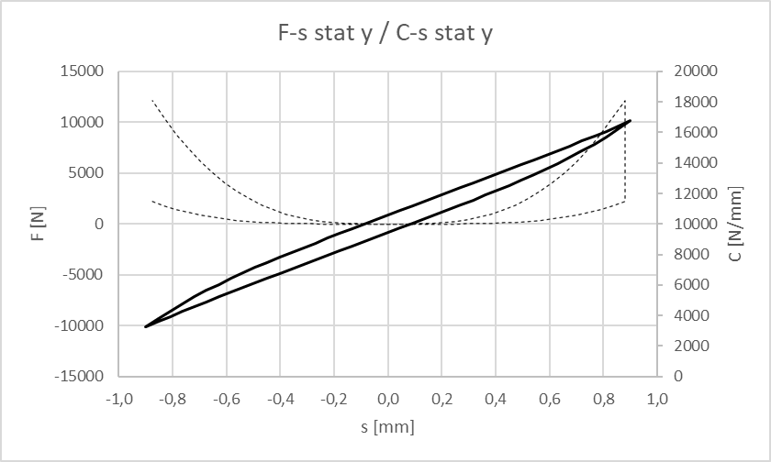
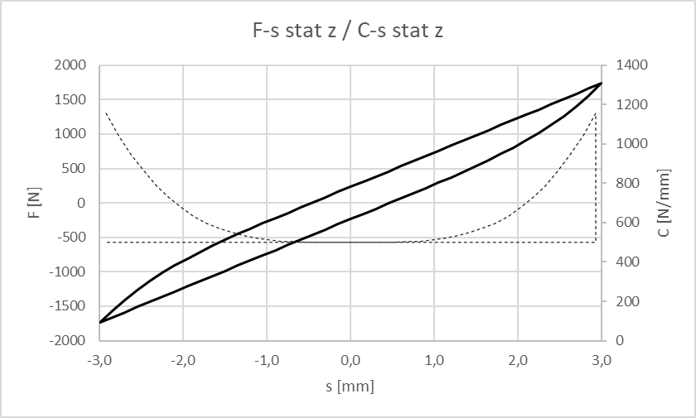

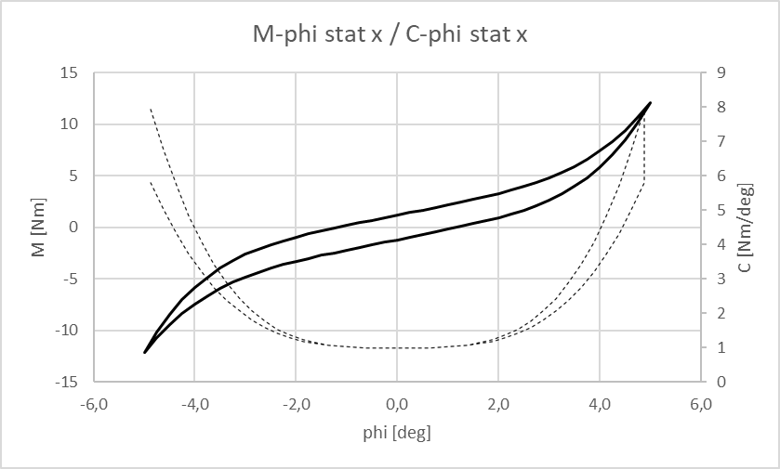
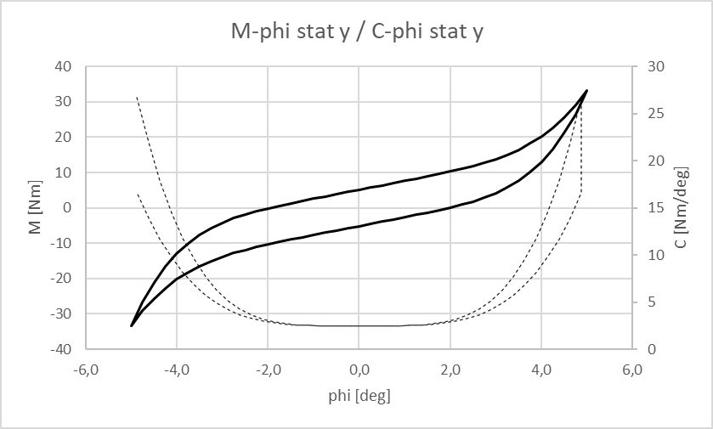
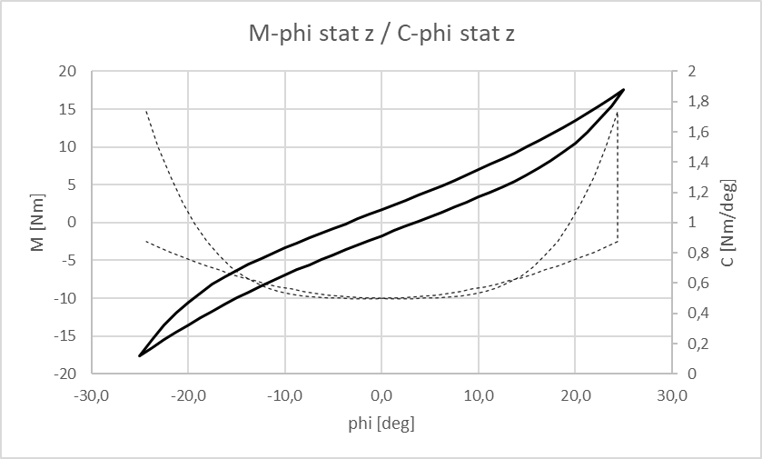

Curves 2.13-2.15
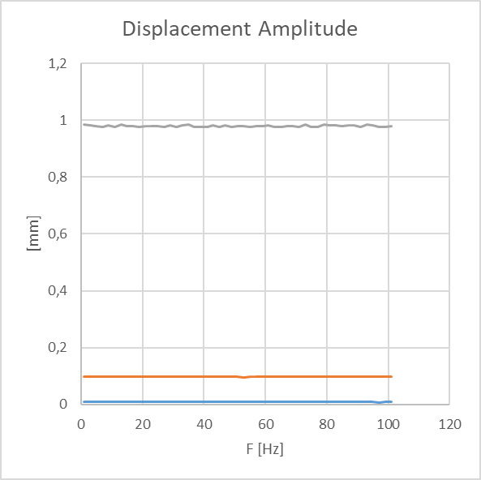
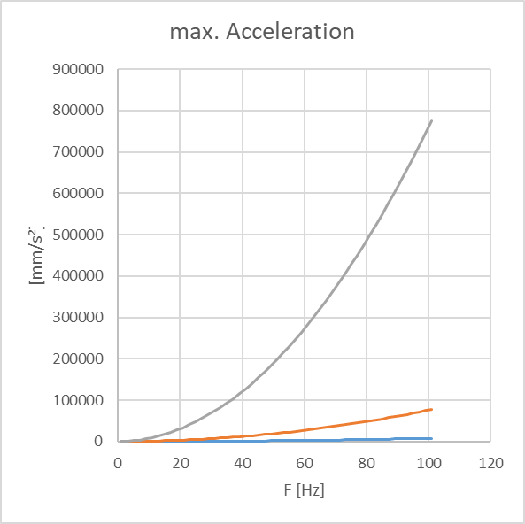
Excitation Amplitude = 0,01 mm
Excitation Amplitude = 0,1 mm
Excitation Amplitude = 1 mm

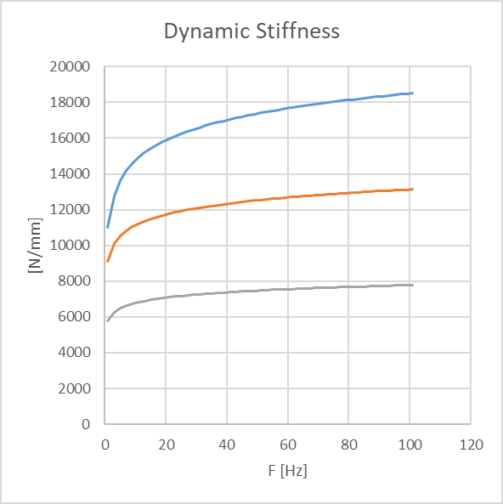

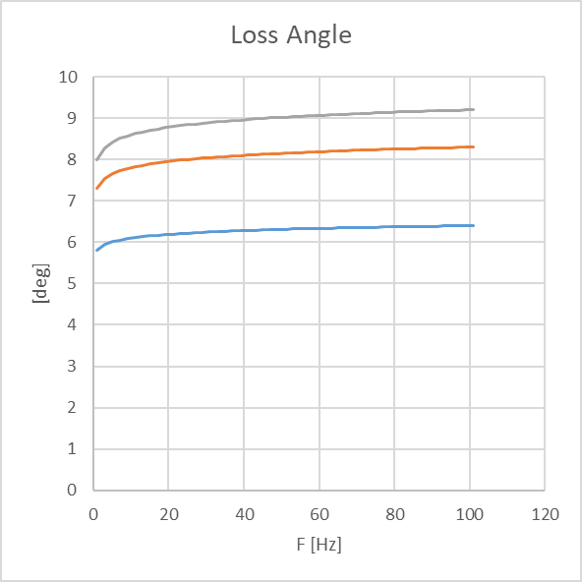

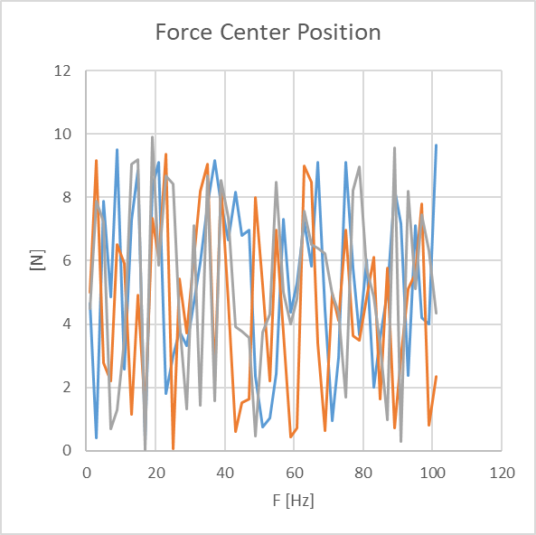

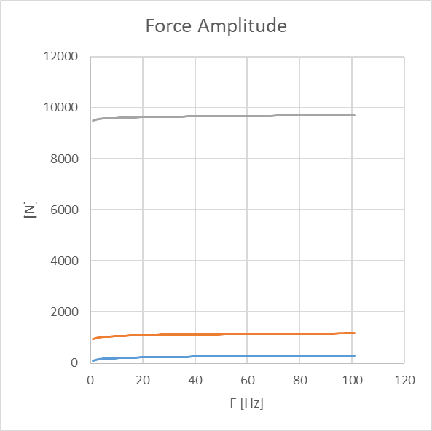

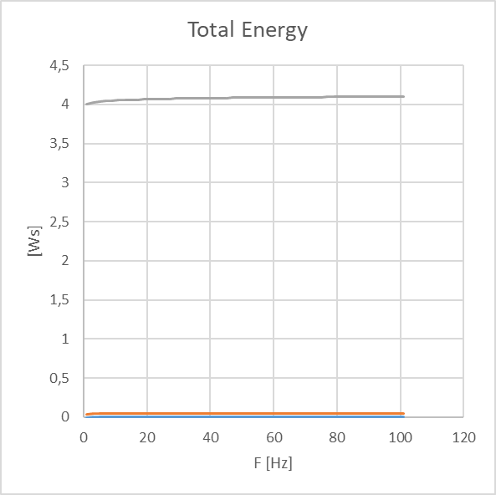

Displacement Center Position
1 | 0.0053867608193 | 0.004046574753 | 0.0031224197642
3 | 0.0054950393343 | 0.0040010698256 | 0.0032008960889
5 | 0.005467768783 | 0.0041958570325 | 0.0030603526142
7 | 0.0051307946945 | 0.0041151707805 | 0.0031695440768
9 | 0.0053439677537 | 0.0042585758148 | 0.0032114703876
11 | 0.0051744853115 | 0.0043566068709 | 0.0030460594962
13 | 0.0054557093305 | 0.0041006532779 | 0.0030650066864
15 | 0.0050105704613 | 0.0041225068621 | 0.0030136698683
17 | 0.0052157794612 | 0.0041344938455 | 0.0031191610356
19 | 0.0052434877401 | 0.0040851146934 | 0.0030594712045
21 | 0.0054380558699 | 0.0041388526839 | 0.0031695056772
23 | 0.0052925778007 | 0.0041698294486 | 0.0032242689974
25 | 0.0051565203473 | 0.0040889917154 | 0.003183470974
27 | 0.0052253737028 | 0.0040414214453 | 0.0032393479887
29 | 0.0053232729108 | 0.0040691091119 | 0.0032486153073
31 | 0.0051526142172 | 0.0042298454947 | 0.0030936774498
33 | 0.0050745556371 | 0.0041770919401 | 0.0031248304399
35 | 0.0054084709895 | 0.0040529847479 | 0.0032105476089
37 | 0.0051501024594 | 0.0043864491417 | 0.0031679161672
39 | 0.005400211741 | 0.0040524260842 | 0.0030986587029
41 | 0.0051855117452 | 0.0042311173725 | 0.0032704378551
43 | 0.0050908223624 | 0.0041882547122 | 0.0030366645039
45 | 0.0052747670226 | 0.0040402078241 | 0.0032995453994
47 | 0.005356280381 | 0.0043114949888 | 0.0030005174703
49 | 0.0053825721615 | 0.0043006012194 | 0.0032711918008
51 | 0.0052482954064 | 0.0042749145795 | 0.0030717398902
53 | 0.005174908667 | 0.0041326665683 | 0.0030879960961
55 | 0.0051150831312 | 0.0043182232263 | 0.0031734736378
57 | 0.005054460538 | 0.0040696629831 | 0.003070285373
59 | 0.0050392316762 | 0.0040738885904 | 0.0032678315644
61 | 0.0053147785566 | 0.0041770672228 | 0.0031052529689
63 | 0.0053787757235 | 0.0041820592771 | 0.0030775365887
65 | 0.0050995988406 | 0.0041529307612 | 0.0030810630947
67 | 0.0054504219168 | 0.0042487727717 | 0.0031688297299
69 | 0.0052946799304 | 0.0042340350431 | 0.0031310324982
71 | 0.0053133460686 | 0.00405822171 | 0.0030418850352
73 | 0.0054132403591 | 0.0043798156804 | 0.0030926114985
75 | 0.0054052327483 | 0.0040619870089 | 0.0030207612468
77 | 0.0052956661321 | 0.0042996473544 | 0.0032177501649
79 | 0.0050279756543 | 0.0040603531766 | 0.0031229032668
81 | 0.0052858195693 | 0.004136912463 | 0.0032565776389
83 | 0.0050982063927 | 0.0042658751812 | 0.0031960847903
85 | 0.0052401319196 | 0.0043029691606 | 0.0031153155299
87 | 0.0050243948956 | 0.0040438262433 | 0.0031296316128
89 | 0.0051502958199 | 0.0041681107268 | 0.0030507792353
91 | 0.005360457444 | 0.004304017106 | 0.0030729867306
93 | 0.0053266419848 | 0.0042254561896 | 0.0031422400609
95 | 0.0051994126077 | 0.0041322775235 | 0.0030055964483
97 | 0.005171357228 | 0.0042922666373 | 0.0030090743068
99 | 0.0053978406463 | 0.0040463508614 | 0.0032499821092
...

Curves 2.16-2.18
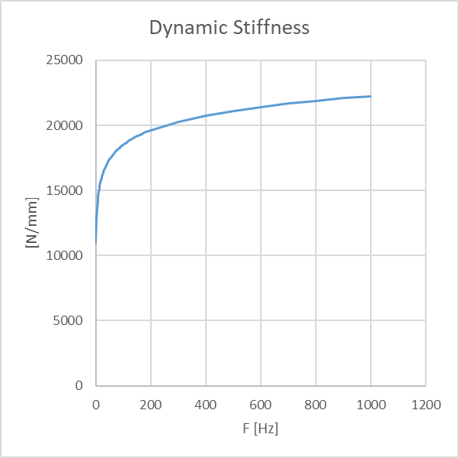
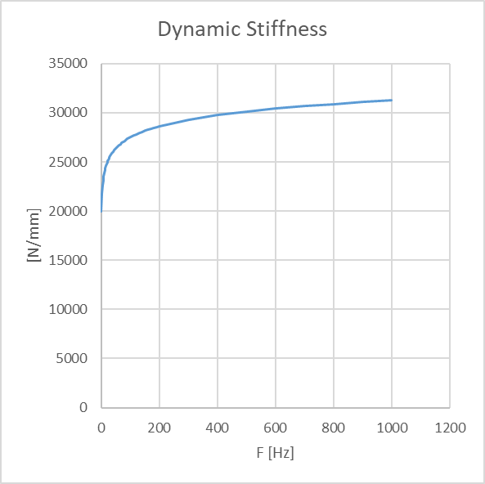
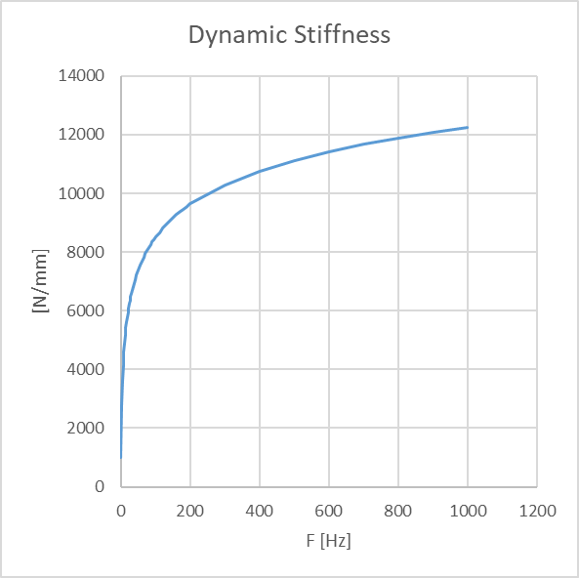
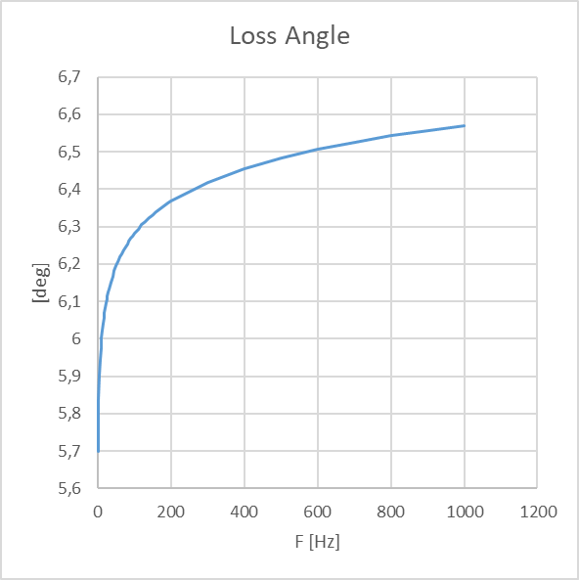
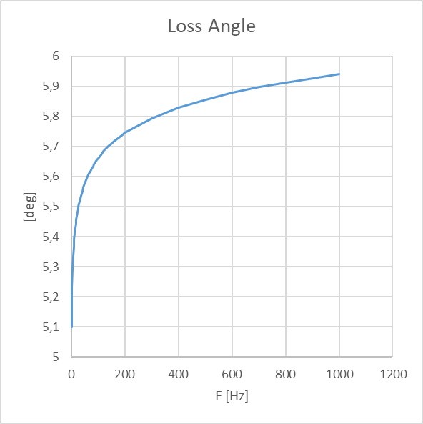
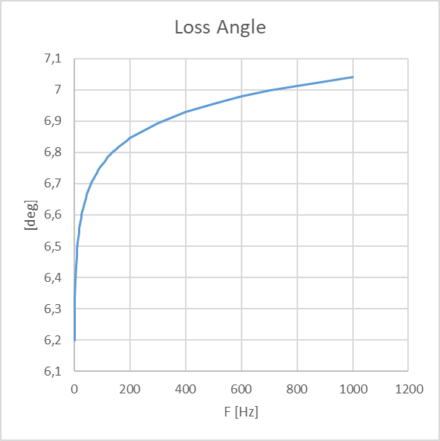
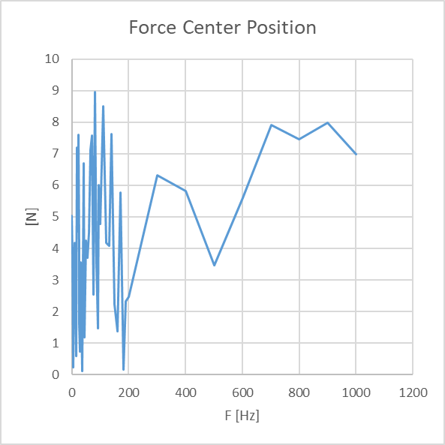
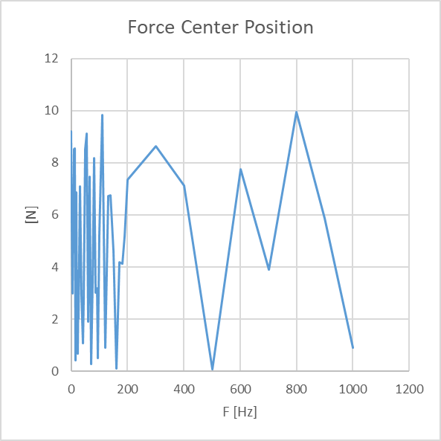
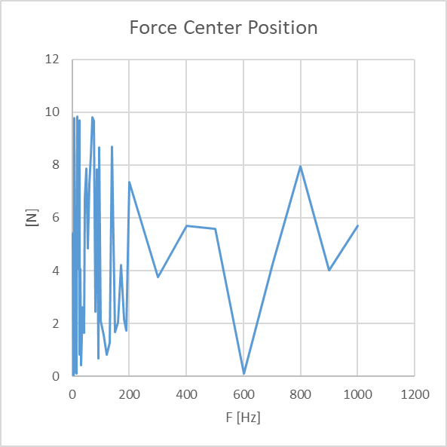
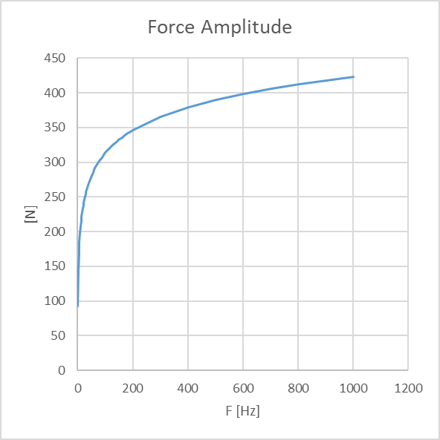
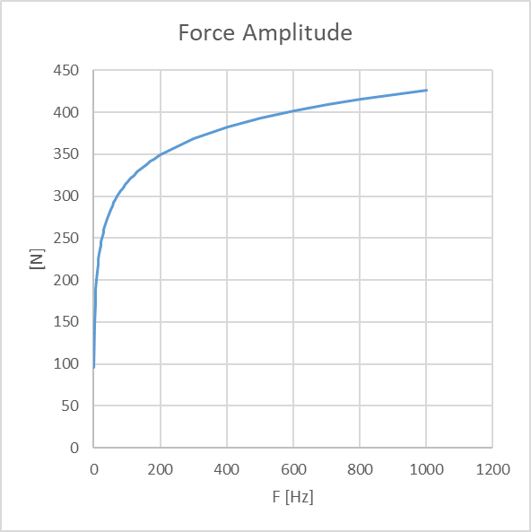
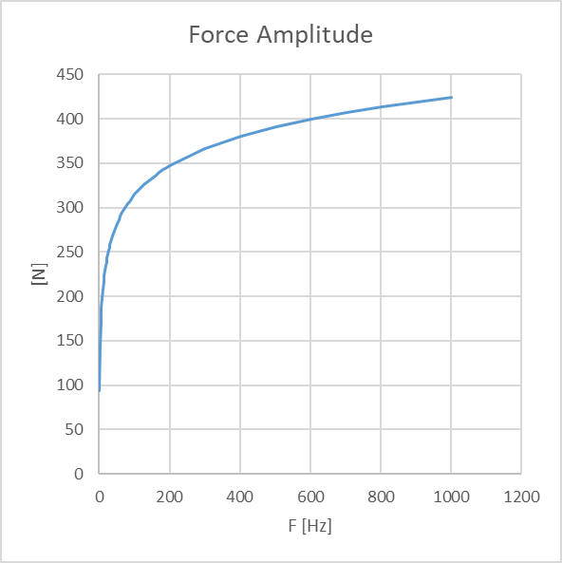
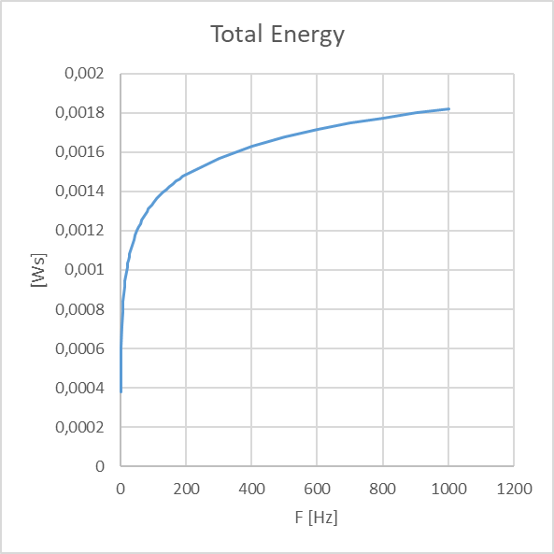
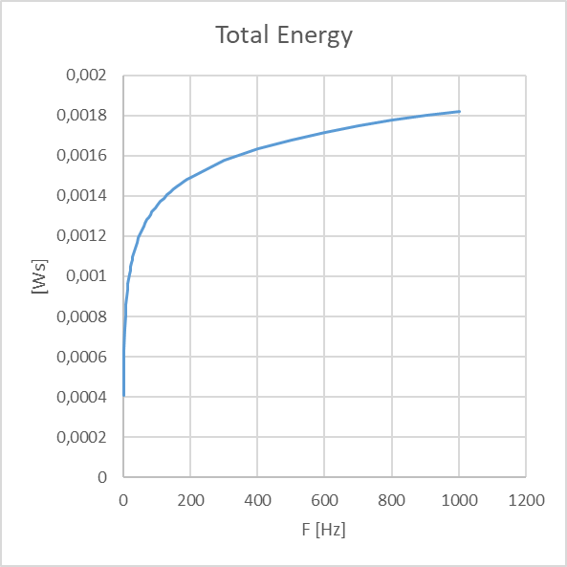
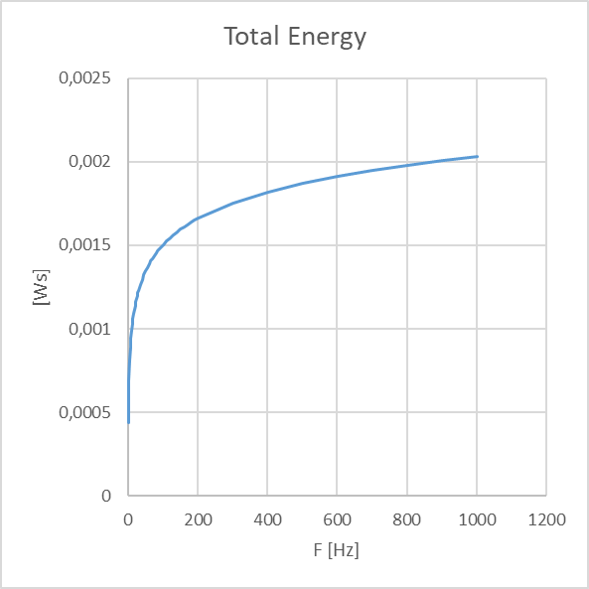
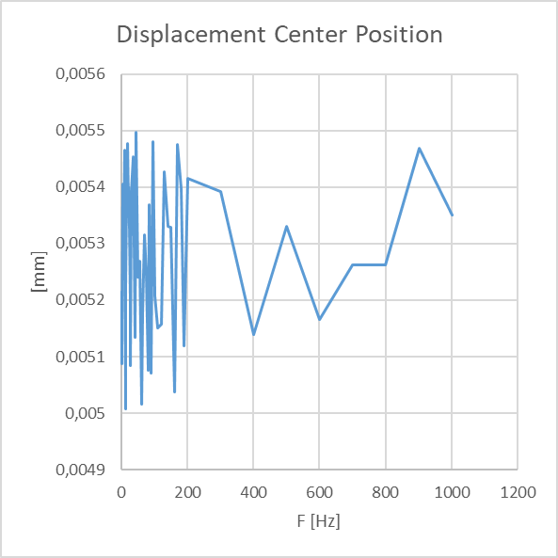
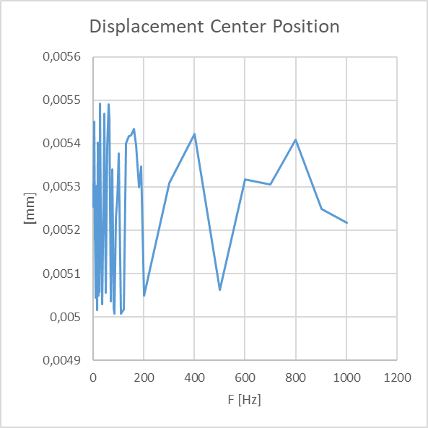
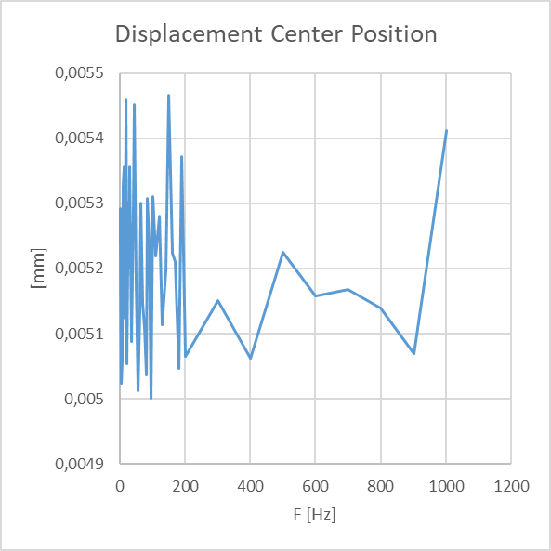
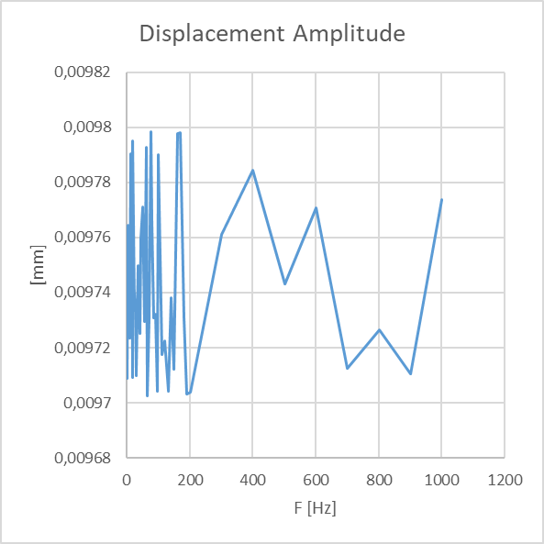
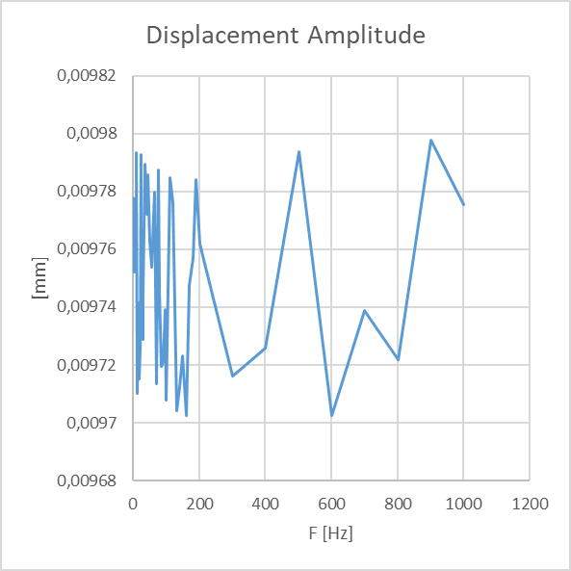
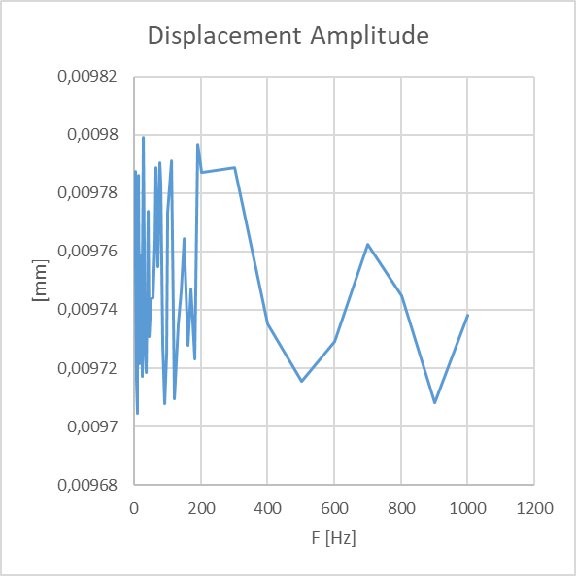
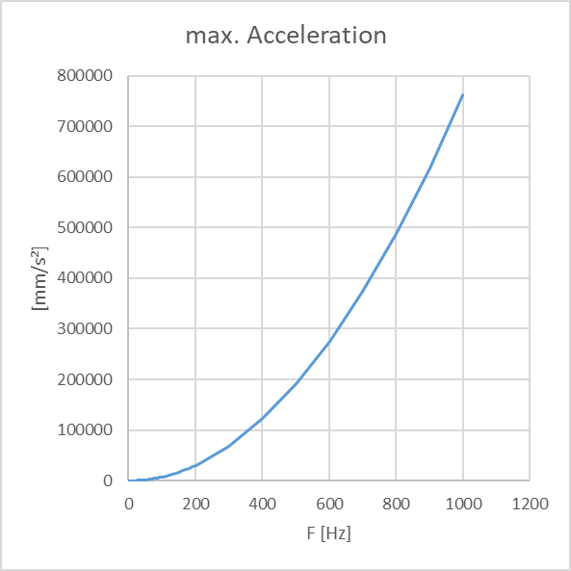
 | Excitation Amplitude = 0,01 mm

X-Direction |  | Y-Direction | Z-Direction

Curves 2.19-2.21
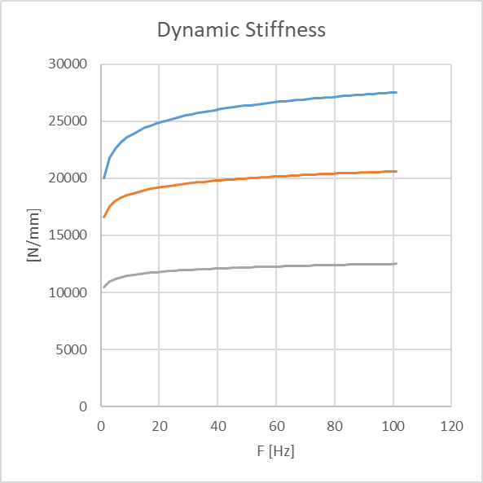
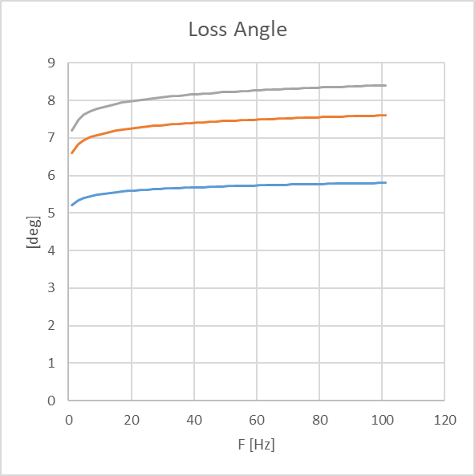
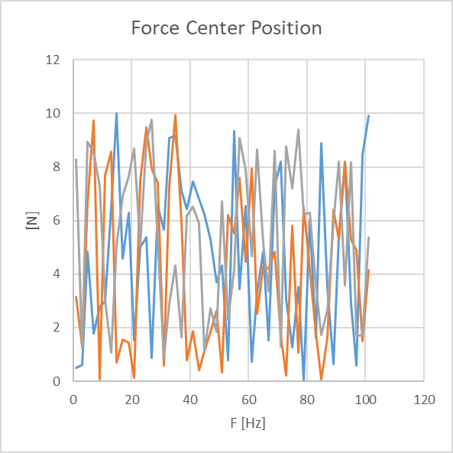
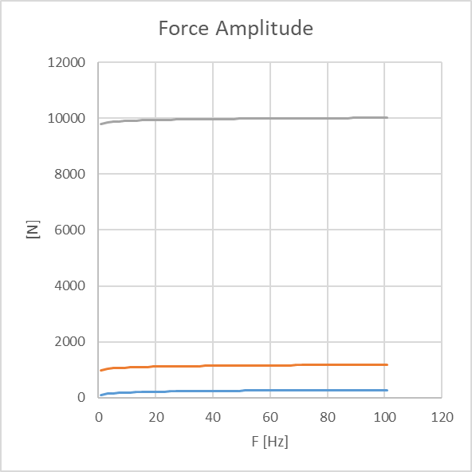
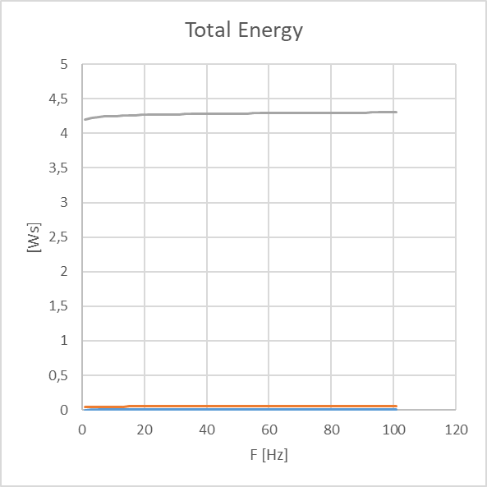
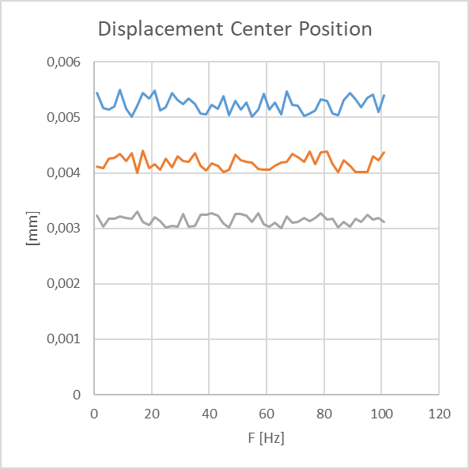
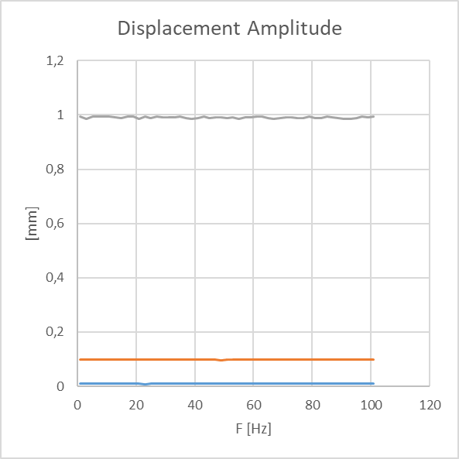
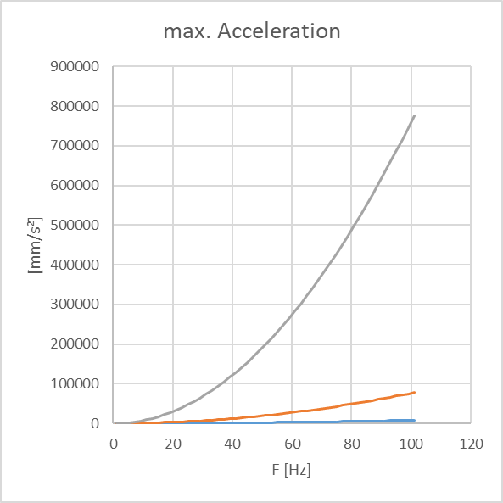
Excitation Amplitude = 0,01 mm
Excitation Amplitude = 0,1 mm
Excitation Amplitude = 1 mm

Curves 2.22-2.24
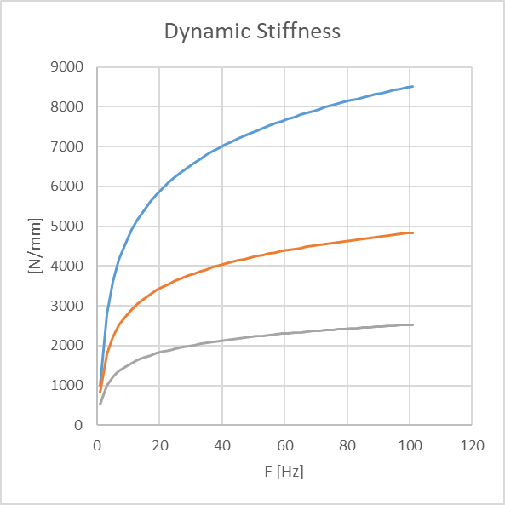
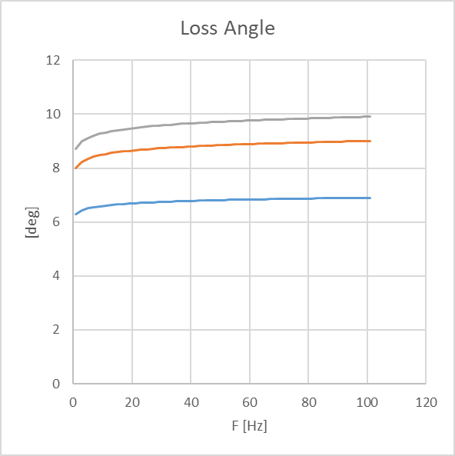
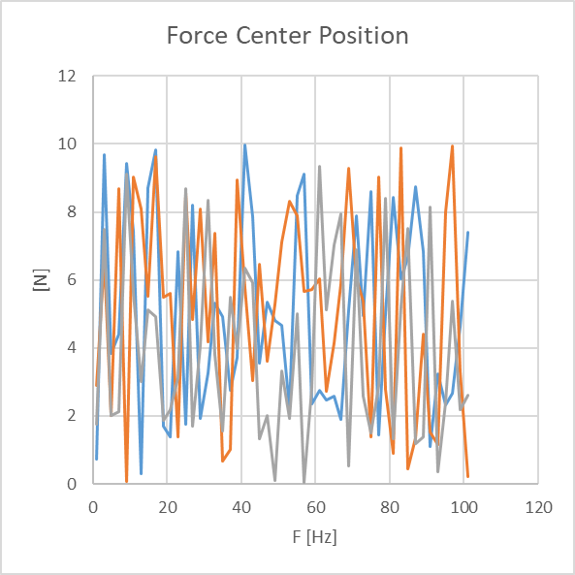
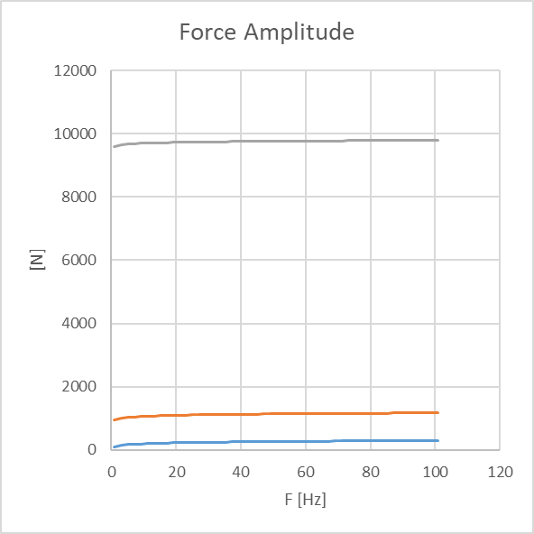
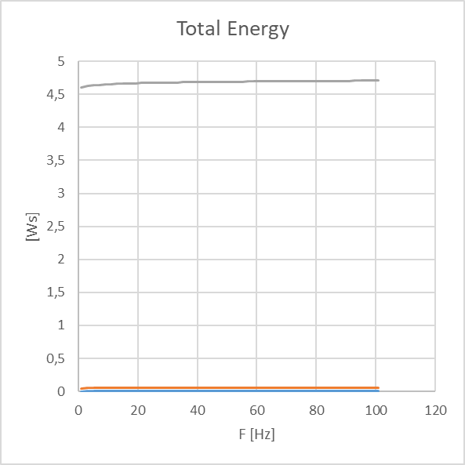
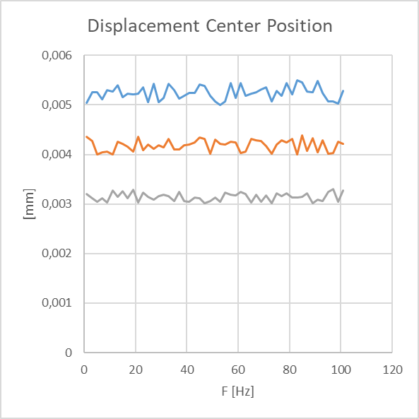

Excitation Amplitude = 0,01 mm
Excitation Amplitude = 0,1 mm
Excitation Amplitude = 1 mm

Curve 2.25


Curves 3.1-4.51

 | Curves 3.1 - 3.5
 | Curves 4.1 - 4.5



Curve 4.6



Curves 4.7 - 4.15



Curves 4.16 - 4.24



Curves 4.25 - 4.33



Curves 4.34 - 4.42



Curves 4.43 - 4.51

